Simple Linear Regression
Scenario 1 | Data collect with meal amount
Predict next data point (tip amount）

 | Bill | Tip Amount
 | 34 | 5
 | 108 | 17
 | 64 | 11
 | 88 | 8
 | 99 | 14
 | 51 | 5

 |  | SST

Excel data analysis_Regression
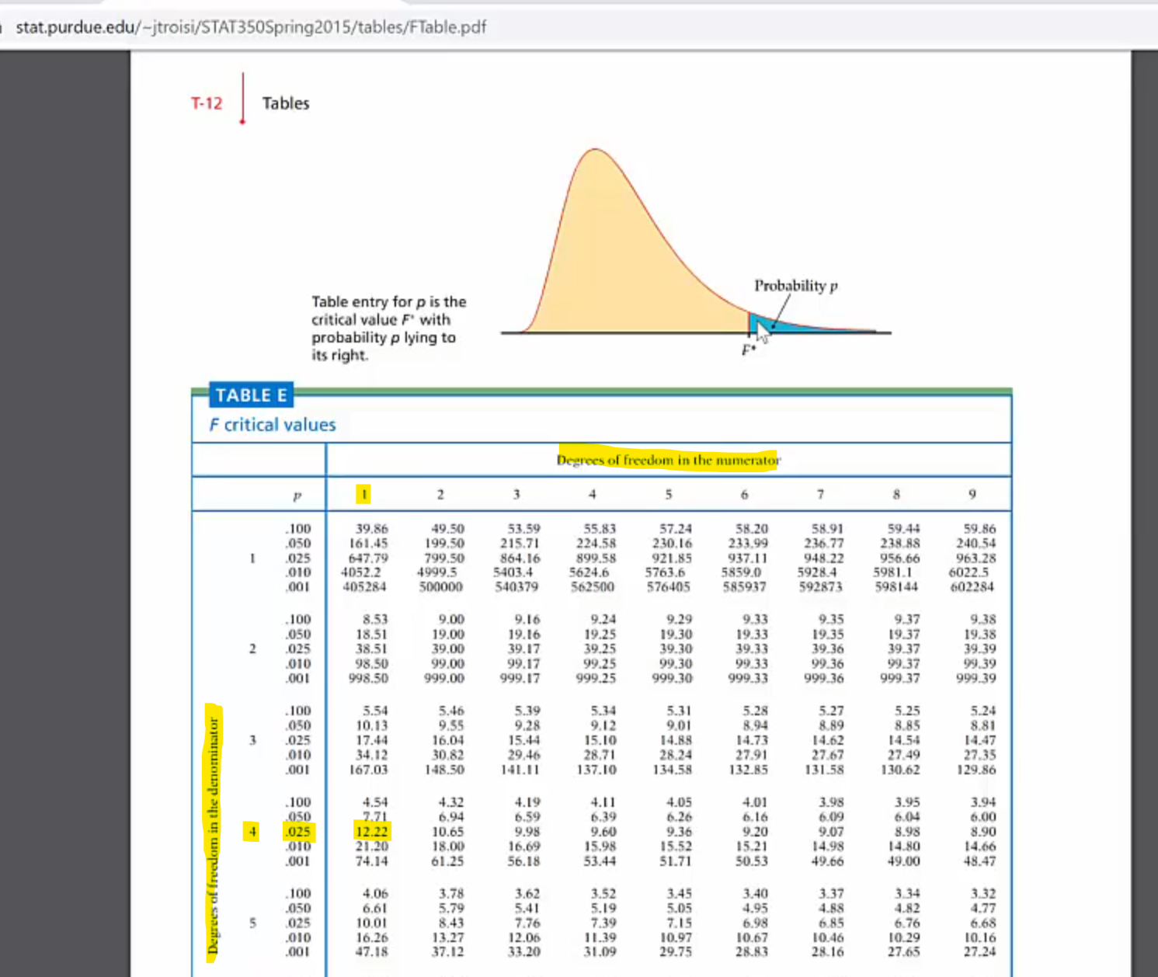
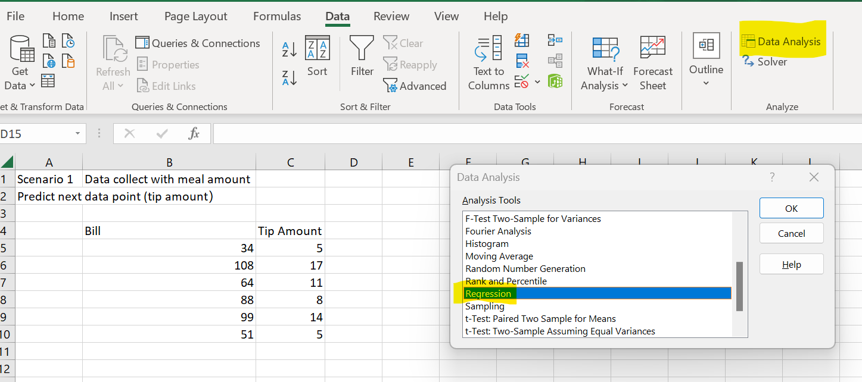
SUMMARY OUTPUT

Regression Statistics
Multiple R | 0.86566499963 | Pearson R | correlation coefficient
R Square | 0.749375891583452 (74.9% of variance in Y is caused by regression model) | if only 1 independent variable, only need R square
Adjusted R Square | 0.68671986448 | if more than 1 independent variable (multiple linear regression), then need multiple R square |  |  | null hypothesis: 无效假设， regression model 无效
Standard Error | 2.7420290393 | SER |  | in F table | P < 0.05 为有统计学差异， P<0.01 为有显著统计学差异，P<0.001为有极其显著的统计学差异。
Observations (n) | 6 | 3 of records |  | F test | P>0.05时，差异无显著意义，根据统计学原理可知，不能否认无效假设，但并不认为无效假设肯定成立。Regression model 无效，要更换data , input 与output没有多少关系。
 |  |  |  | MSR/MSE | 算出来的结果到底有多重要,
ANOVA |  | sum of squares | multiple | (MS SSR)/(MS SSE) | 0.025<0.05
 | df (degree of freedom) | SS | MS | F | Significance F (p value) |  | assume significance level α=0.05 | Confidence Interval=95%,两边个是2.5%。
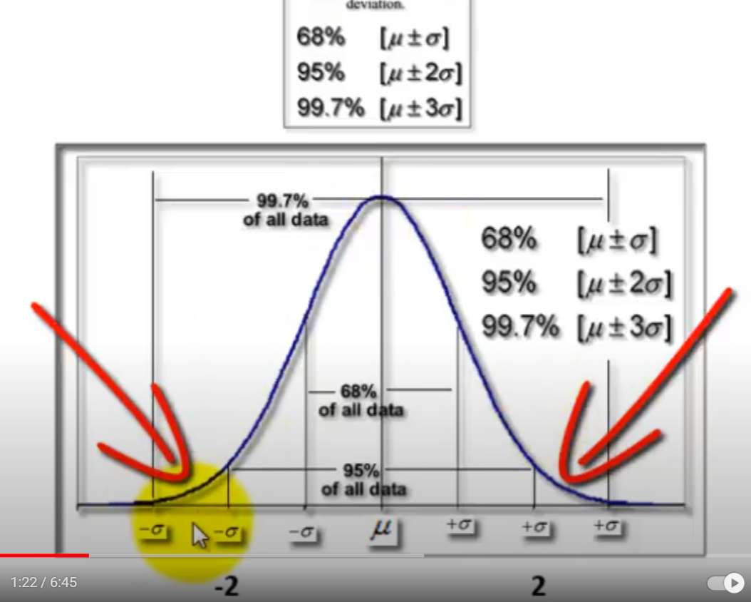
Regression | 1 (k, # of variable, df of columns=col-1) (df in numerator in F table) | 89.9251069900143 (SSR) | 89.9251069900143 (SSR/df, MSR) | 11.960156528 | 0.025856741011 | f table 1 num | if sig f <0.05, regression model can be used for forecasting, if sig f>=0.05, 需要重新更换data
Residual | 4 (total df - regression df) df of error(n - # of columns) (df in denominator in F table) | 30.0748930099857 (SSE) | 7.51872325249643 (SSE/df of residual)
Total | 5 n-1=# of samples - 1=6-1=5 | 120 (SST)
 |  | SST=SSE+SSR=120

 | Coefficients | Standard Error | t Stat | P-value | Lower 95% | Upper 95% | Lower 95.0% | Upper 95.0%
Intercept | -0.820256776034235 (INTERCEPT) | 3.3229684383 | -0.24684458829 | 0.81717969731 | -10.046296231 | 8.4057826791 | -10.046296231 | 8.4057826791
Bill | 0.146219686162625 (slope) | 0.042280237255 | 3.4583459237 | 0.025856741011 | 0.02883092839 | 0.26360844394 | 0.02883092839 | 0.26360844394

